GJ
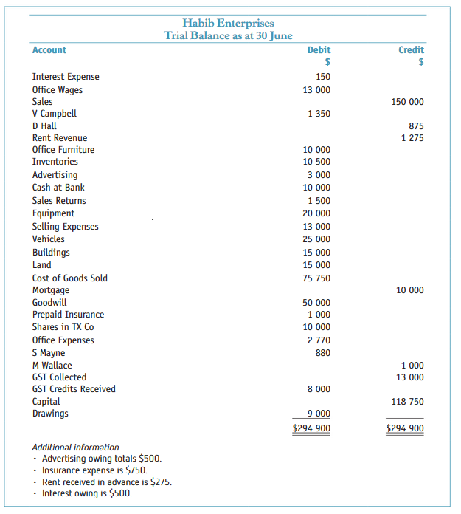
Habib Enterprises
General journal
Date | Particulars | Ref | Debit | Credit
2019-06-30 | Advertising |  | 500.00
 | Accrued expenses |  |  | 500.00
 | (balance day adjustment)

 | Insurance |  | 750.00
 | Prepaid insurance |  |  | 750.00
 | (balance day adjustment)

 | Rent revenue |  | 275.00
 | Unearned revenue |  |  | 275.00
 | (balance day adjustment)

 | Interest expense |  | 500.00
 | Accrued expenses |  |  | 500.00
 | (balance day adjsutment)

 | GST collected |  | 13,000.00
 | GST clearing |  |  | 13,000.00
 | (clearing GST collected)

 | GST clearing |  | 8,000.00
 | GST credits received |  |  | 8,000.00
 | (clearing GST credits received)

